Pivot
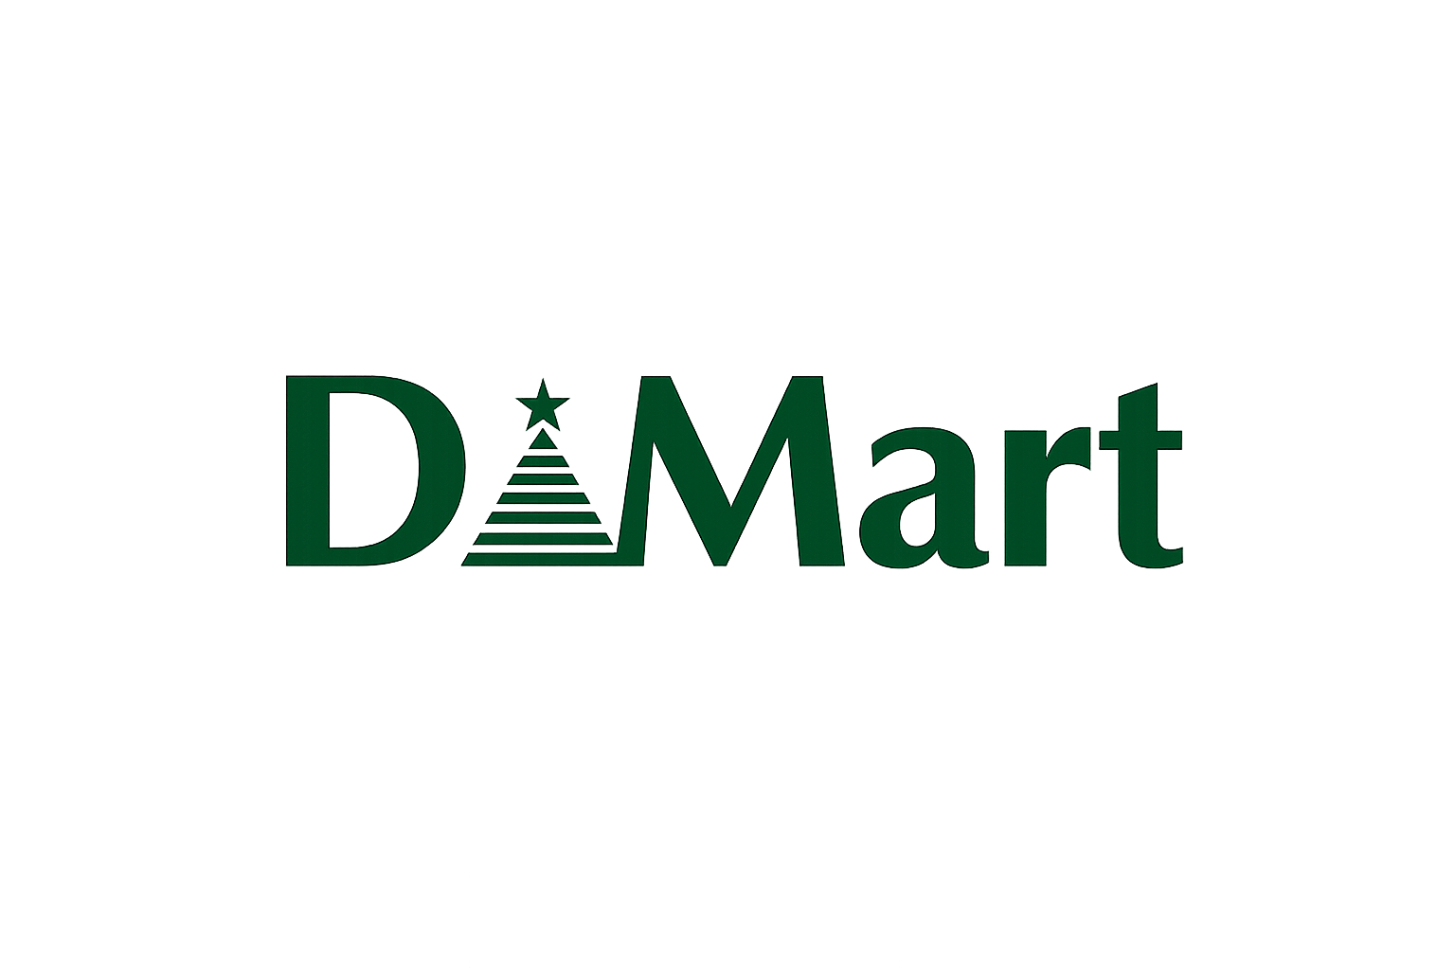

State | Sum of Total_Amount | Months | Sum of Total_Amount | City and Store
Gujarat | 220820 | Jan | 67755 |  | ST001 | ST002 | ST003 | ST004 | ST005 | ST006 | ST007 | Grand Total
Karnataka | 71730 | Feb | 43985 | Ahmedabad |  |  |  | 113935 |  |  |  | 113935
Maharashtra | 267885 | Mar | 56835 | Bengaluru |  |  |  |  |  | 71730 |  | 71730
Telangana | 93145 | Apr | 62320 | Hyderabad |  |  |  |  |  |  | 93145 | 93145
Grand Total | 653580 | May | 43835 | Mumbai | 86025 |  |  |  |  |  |  | 86025
 |  | Jun | 58665 | Nashik |  |  | 94715 |  |  |  |  | 94715
Category | Sum of Discount | Jul | 49450 | Pune |  | 87145 |  |  |  |  |  | 87145
Grocery | 1850 | Aug | 57735 | Surat |  |  |  |  | 106885 |  |  | 106885
Home & Bath | 745 | Sep | 54175 | Grand Total | 86025 | 87145 | 94715 | 113935 | 106885 | 71730 | 93145 | 653580
Personal Care | 1130 | Oct | 49115
Snacks | 1205 | Nov | 53245
Grand Total | 4930 | Dec | 56465 | Months & Sales |  |  |  |  |  | Category | Sum of Total_Amount
 |  | Grand Total | 653580 |  | Card | Cash | UPI | Grand Total |  | Grocery | 422245
City | Sum of Total_Amount |  |  | Jan | 18245 | 28295 | 21215 | 67755 |  | Home & Bath | 145905
Ahmedabad | 113935 | Payment mode | Sum of Total_Amount | Feb | 17790 | 17900 | 8295 | 43985 |  | Personal Care | 68375
Bengaluru | 71730 | Card | 224475 | Mar | 21155 | 17000 | 18680 | 56835 |  | Snacks | 17055
Hyderabad | 93145 | Cash | 212655 | Apr | 16750 | 19455 | 26115 | 62320 |  | Grand Total | 653580
Mumbai | 86025 | UPI | 216450 | May | 12390 | 14245 | 17200 | 43835
Nashik | 94715 | Grand Total | 653580 | Jun | 19925 | 18555 | 20185 | 58665
Pune | 87145 |  |  | Jul | 17465 | 18075 | 13910 | 49450
Surat | 106885 |  |  | Aug | 18255 | 17195 | 22285 | 57735
Grand Total | 653580 |  |  | Sep | 15520 | 16810 | 21845 | 54175
 |  |  |  | Oct | 22895 | 13390 | 12830 | 49115
 |  |  |  | Nov | 22325 | 16590 | 14330 | 53245
 |  |  |  | Dec | 21760 | 15145 | 19560 | 56465
 |  |  |  | Grand Total | 224475 | 212655 | 216450 | 653580

Dashboards
Sales & Analysis | Year 2024

State and Sales
 | Total
Gujarat | 220820
Karnataka | 71730
Maharashtra | 267885
Telangana | 93145
Highest discount category
 | Total
Grocery | 1850
Home & Bath | 745
Personal Care | 1130
Snacks | 1205
Month and sales
 | Total
Jan | 67755
Feb | 43985
Mar | 56835
Apr | 62320
May | 43835
Jun | 58665
Jul | 49450
Aug | 57735
Sep | 54175
Oct | 49115
Nov | 53245
Dec | 56465
Most sold category
 | Total
Grocery | 422245
Home & Bath | 145905
Personal Care | 68375
Snacks | 17055

City and Sales
 | Total
Ahmedabad | 113935
Bengaluru | 71730
Hyderabad | 93145
Mumbai | 86025
Nashik | 94715
Pune | 87145
Surat | 106885
Store and Sales
 | ST001 | ST002 | ST003 | ST004 | ST005 | ST006 | ST007
Ahmedabad |  |  |  | 113935
Bengaluru |  |  |  |  |  | 71730
Hyderabad |  |  |  |  |  |  | 93145
Mumbai | 86025
Nashik |  |  | 94715
Pune |  | 87145
Surat |  |  |  |  | 106885
Most payment mode used
 | Total
Card | 224475
Cash | 212655
UPI | 216450

